Squishy Toys
Pics | Products | Pcs/Display | Display's/Carton | Pcs/Carton | Stock (Pcs) | Text
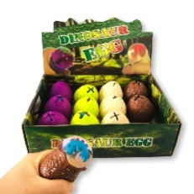 | Squeeze Egg | 12 | 24 | 288 | 6912 | English,French, Dutch, German,Swedish
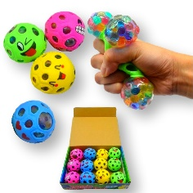 | Emoji Squishy Balls | 12 | 24 | 288 | 13824 | English,French, Dutch, German,Swedish
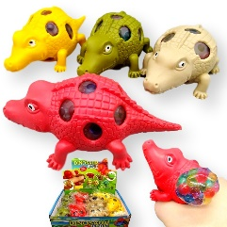 | Squishy Crocodile | 12 | 24 | 288 | 3456 | English,French, Dutch, German,Swedish
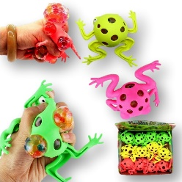 | Squishy Frog | 12 | 24 | 288 | 3456 | English,French, Dutch, German,Swedish
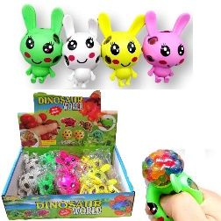 | Squishy Rabbits | 12 | 24 | 288 | 3456 | English,French, Dutch, German,Swedish
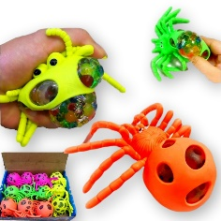 | Squishy Spider | 12 | 24 | 288 | 3456 | English,French, Dutch, German,Swedish
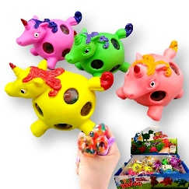 | Squishy Unicorn | 12 | 24 | 288 | 3456 | English,French, Dutch, German,Swedish
 |  |  |  | Total Pcs | 38016

